Dashboard
Category Risk Score
 | REVIEW 1
Network | 50.00%
Devices | 66.67%
Info Sec | 50.00%
Overview | 16.67%
Response | 60.00%
Disaster | 33.33%
Remote | 50.00%
Awareness | 66.67%
Website | 50.00%
Endpoint | 50.00%
Browser | 50.00%
Email | 50.00%
Media | 50.00%
Passwords | 50.00%
Software | 50.00%

c

ASD Top 8
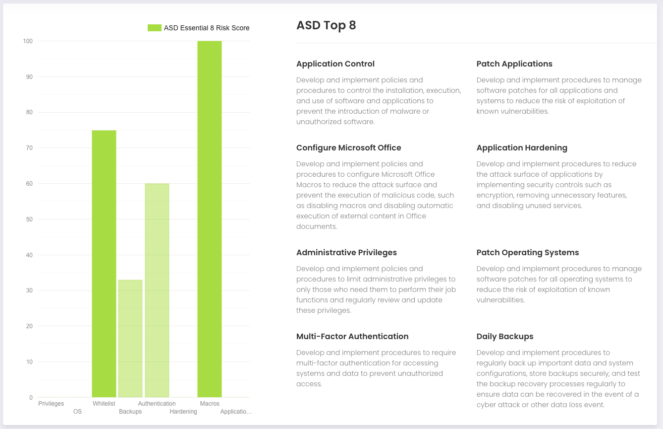
ASD Top 8

Applications | Application Control | Develop and implement policies and procedures to control the installation, execution, and use of software and applications to prevent the introduction of malware or unauthorized software.
Whitelist | Patch Applications | Develop and implement procedures to manage software patches for all applications and systems to reduce the risk of exploitation of known vulnerabilities.
Macros | Configure Microsoft Office | Develop and implement policies and procedures to configure Microsoft Office Macros to reduce the attack surface and prevent the execution of malicious code, such as disabling macros and disabling automatic execution of external content in Office documents.
Hardening | Application Hardening | Develop and implement procedures to reduce the attack surface of applications by implementing security controls such as encryption, removing unnecessary features, and disabling unused services.
Privileges | Administrative Privileges | Develop and implement policies and procedures to limit administrative privileges to only those who need them to perform their job functions and regularly review and update these privileges.
OS | Patch Operating Systems | Develop and implement procedures to manage software patches for all operating systems to reduce the risk of exploitation of known vulnerabilities.
Authentication | Multi-Factor Authentication | Develop and implement procedures to require multi-factor authentication for accessing systems and data to prevent unauthorized access.
Backups | Daily Backups | Develop and implement procedures to regularly back up important data and system configurations, store backups securely, and test the backup recovery processes regularly to ensure data can be recovered in the event of a cyber attack or other data loss event.

NIST Risk Profile
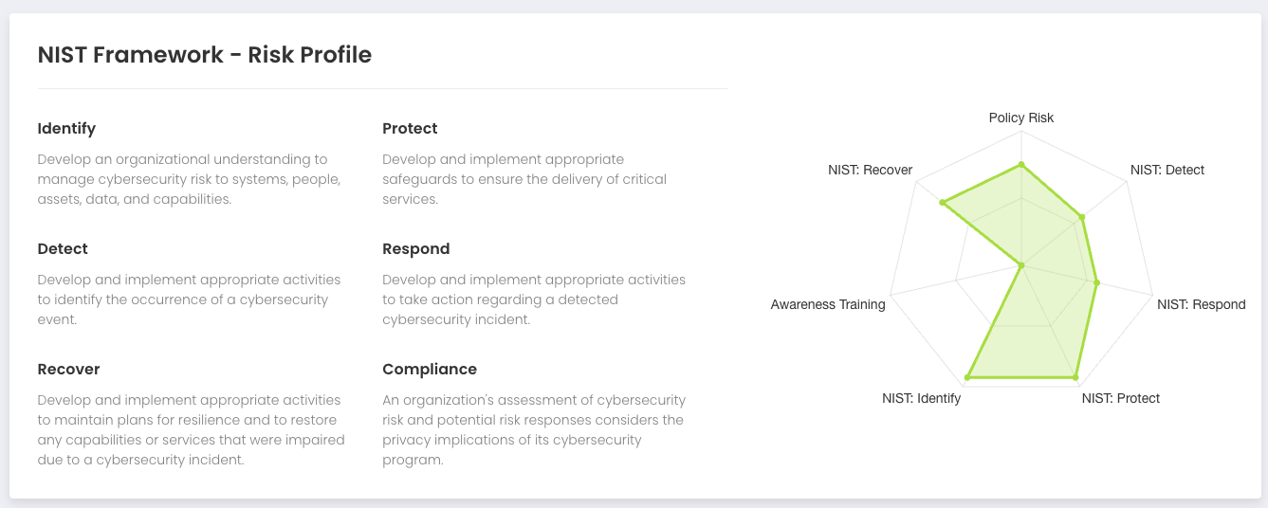

Identity
Protect
Detect
Respond
Recover
Compliance

Category Risk Score
